GUI CGI SPEC
Xmind
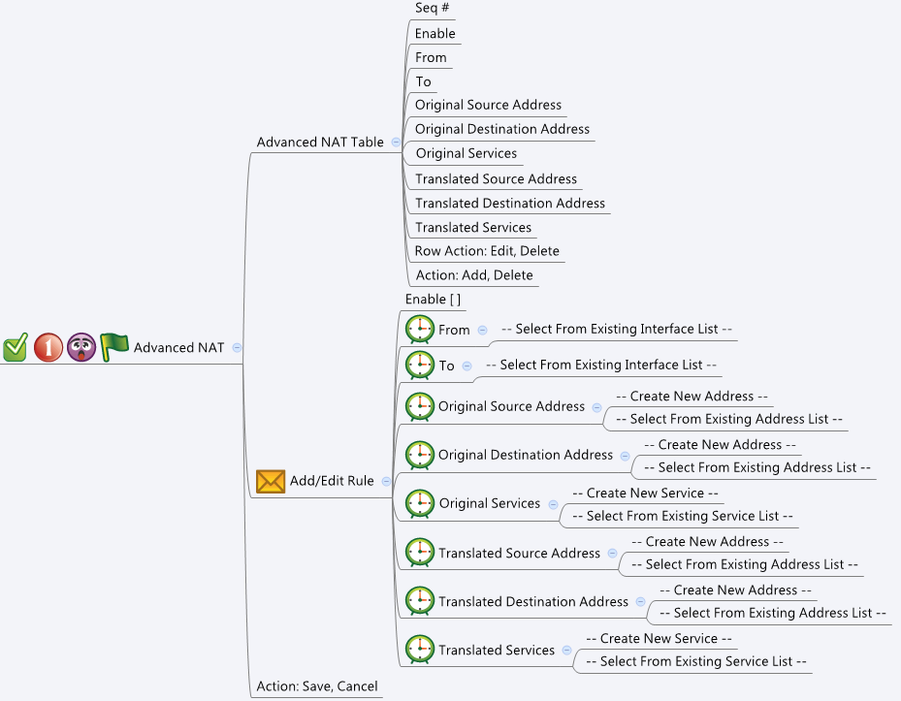

Behavior
# If user select "Original Source Address", then he must choose "Translated Source Address" and vice versa
# If user select "Original Destination Address", then he must choose "Translated Destination Address" and vice versa
# If user select "Original Service", then he must choose "Translated Service" and vice versa
# If user did not choose a valid object, it can be considered as "Any" or "Don't care" and therefore valid
# However, user cannot just add a rule that "Don't care for all". User should at least configure either "Original/Translated Source Address" or "Original/Translated Destination Address" pair.
# If user configured "Original/Translated Service" pair, he must configure "Original/Translated Destination Address" pair, too.
# If user configured "Original/Translated Destination Address" pair, then "To" interface must left unconfigured or "Any"
# "Original Service" and "Translated Service" must be the same type (TCP/UDP) of service. Get this information from common_service_list
# "Original Service" and "Translated Service" can only be Both / UDP / TCP types.
# Limitations: Max Advanced NAT Table Size = 32
[UI Display Name] | [CGI Name] | [JSON Name] | [Description] | [Range / Default Value / Units]
Advanced NAT Table / Add/Edit Rule
N/A | advancedNat.cgi | guiAdvancedNatTNum | int, number of rules
N/A | advancedNat.cgi | guiAdvancedNatT.gid | unique numeric ID
Enable | advancedNat.cgi | guiAdvancedNatT.enabled | 0: disabled, 1: enabled | Default: 1
From | advancedNat.cgi | guiAdvancedNatT.fromIf | unique numeric ID of a Port, WAN, VLAN or WAN object. Get information from common_portIf_list, common_wanIf_list, common_vlanIf_list or common_lanIf_list cgi. Show its name on GUI.
To | advancedNat.cgi | guiAdvancedNatT.toIf | unique numeric ID of a Port, WAN, VLAN or WAN object. Get information from common_portIf_list, common_wanIf_list, common_vlanIf_list or common_lanIf_list cgi. Show its name on GUI.
Original Source Address | advancedNat.cgi | guiAdvancedNatT.originalSrc | unique numeric ID of an address object. Get information from common_ip_list cgi. Show its name on GUI. NOTE: Show Host, Range and Network type of IP addresses.
Original Destination Address | advancedNat.cgi | guiAdvancedNatT.originalDst | unique numeric ID of an address object. Get information from common_ip_list cgi. Show its name on GUI. NOTE: Show Host, Range and Network type of IP addresses.
Original Service | advancedNat.cgi | guiAdvancedNatT.originalService | unique numeric ID of a service object. Get information from common_service_list and common_gService_list cgi. Show its name on GUI. NOTE: Show only Both, TCP and UDP types of Services only.
Translated Source Address | advancedNat.cgi | guiAdvancedNatT.translatedSrc | unique numeric ID of an address object. Get information from common_ip_list cgi. Show its name on GUI. NOTE: Show Host, Range and Network type of IP addresses.
Translated Destination Address | advancedNat.cgi | guiAdvancedNatT.translatedDst | unique numeric ID of an address object. Get information from common_ip_list cgi. Show its name on GUI. NOTE: Show Host, Range and Network type of IP addresses.
Translated Service | advancedNat.cgi | guiAdvancedNatT.translatedService | unique numeric ID of a service object. Get information from common_service_list and common_gService_list cgi. Show its name on GUI. NOTE: Show only Both, TCP and UDP types of Services only.
N/A | advancedNat.cgi | guiAdvancedNatT.cgiAction | 0: none, 1: add, 2: update, 3: delete

Common Service
N/A | common_service_list.cgi | guiServiceTNum | int
N/A | common_service_list.cgi | guiServiceT.gid | int
N/A | common_service_list.cgi | guiServiceT.name | All viewable ASCII code except (whitespace) ‘ ` “ % ?
N/A | common_service_list.cgi | guiServiceT.userDefined | 0/1
N/A | common_service_list.cgi | guiServiceT.type | int: 0: both (tcp/udp), 1: tcp, 2: udp, 3: icmp, 4: ip
N/A | common_service_list.cgi | guiServiceT.param1 | int
N/A | common_service_list.cgi | guiServiceT.param2 | int
Common IP
N/A | common_ip_list.cgi | guiIpTNum | int
N/A | common_ip_list.cgi | guiIpT.gid | int
N/A | common_ip_list.cgi | guiIpT.name | All viewable ASCII code except (whitespace) ‘ ` “ % ?
N/A | common_ip_list.cgi | guiIpT.userDefined | 0/1
N/A | common_ip_list.cgi | guiIpT.type | int: 1: host, 2: network, 3: range
N/A | common_ip_list.cgi | guiIpT.startIp | ipaddr
N/A | common_ip_list.cgi | guiIpT.endIp | ipaddr
N/A | common_ip_list.cgi | guiIpT.netmask | netmask
Common Port
N/A | common_ethPhyIf_list.cgi | guiEthPhyIfTNum | int
N/A | common_ethPhyIf_list.cgi | guiEthPhyIfT.gid | int, unique id of zone object
N/A | common_ethPhyIf_list.cgi | guiEthPhyIfT.name | GE1~GE8
N/A | common_ethPhyIf_list.cgi | guiEthPhyIfT.type | 0: LAN 1:WAN, 2: Bridged
Common LAN
N/A | common_lanIpIf_list.cgi | guiLanIpIfTNum | int
N/A | common_lanIpIf_list.cgi | guiLanIpIfT.gid | int, unique id of zone object
N/A | common_lanIpIf_list.cgi | guiLanIpIfT.name | All viewable ASCII code except (whitespace) ‘ ` “ % ?
N/A | common_lanIpIf_list.cgi | guiLanIpIfT.userDefined | 0: not user defined, 1: user defined
N/A | common_lanIpIf_list.cgi | guiLanIpIfT.ip | IPv4 address
N/A | common_lanIpIf_list.cgi | guiLanIpIfT.netmask | IPv4 netmask
Common VLAN
N/A | common_vlanIpIf_list.cgi | guiVlanIpIfTNum | int
N/A | common_vlanIpIf_list.cgi | guiVlanIpIfT.gid | int, unique id of zone object
N/A | common_vlanIpIf_list.cgi | guiVlanIpIfT.name | All viewable ASCII code except (whitespace) ‘ ` “ % ?
N/A | common_vlanIpIf_list.cgi | guiVlanIpIfT.type | 0: LAN 1:WAN, 2: Bridged
N/A | common_vlanIpIf_list.cgi | guiVlanIpIfT.userDefined | 0: not user defined, 1: user defined
N/A | common_vlanIpIf_list.cgi | guiVlanIpIfT.ip | IPv4 address
N/A | common_vlanIpIf_list.cgi | guiVlanIpIfT.netmask | IPv4 netmask
Common WAN
N/A | common_wanIpIf_list.cgi | guiWanIpIfTNum | int
N/A | common_wanIpIf_list.cgi | guiWanIpIfT.gid | int, unique id of zone object
N/A | common_wanIpIf_list.cgi | guiWanIpIfT.name | All viewable ASCII code except (whitespace) ‘ ` “ % ?
N/A | common_wanIpIf_list.cgi | guiWanIpIfT.status | 0: down, 1: up
N/A | common_wanIpIf_list.cgi | guiWanIpIfT.ip | IPv4 address
N/A | common_wanIpIf_list.cgi | guiWanIpIfT.netmask | IPv4 netmask

JSON String

rules.cgi
## GET & POST methods ##
{
"guiAdvancedNatTNum": "1",
"guiAdvancedNatT": [
{
"gid": "65000",
"enabled": "1",
"fromIf": "9000",
"toIf": "",
"originalSrc": "",
"originalDst": "10",
"originalService": "4710",
"translatedSrc": "",
"translatedDst": "10",
"translatedService": "4711",
"cgiAction": "0"
}
]
}

## cgi name ##
common_service_list.cgi
## GET methods ##
{
"guiServiceTNum": 2,
"guiServiceT": [
{
"gid": 4710,
"name": "HTTP",
"type": 1,
"userDefined": 0,
"param1": 80,
"param2": 80
},
{
"gid": 4711,
"name": "HTTPS",
"type": 1,
"userDefined": 0,
"param1": 443,
"param2": 443
}
]
}

## cgi name ##
common_ip_list.cgi
## GET methods ##
{
"guiIpTNum": 1,
"guiIpT": [
{
"gid": 10,
"name": "DEFAULT_IP",
"userDefined": 0,
"type": 1,
"startIp": "192.168.75.1",
"endIp": "192.168.75.1",
"netmask": "255.255.255.255"
}
]
}

common_ethPhyIf_list.cgi
## GET for get previous settings ##
{
"guiEthPhyIfTNum":"2", "guiEthPhyIfIfT":[{"gid":"1000", "name":"GE1", "type":"0"}, {"gid":"1001", "name":"GE2", "type":"1"}]
}
## NO POST Method

common_lanIpIf_list.cgi
## GET for get previous settings ##
{
"guiLanIpIfTNum":"2", "guiLanIpIfT":[{"gid":"7000", "name":"LAN1", "userDefined":"1", "ip":"9.9.9.9", "netmask":"255.0.0.0"}, {"gid":"7001", "name":"LAN2", "userDefined":"1", "ip":"10.10.10.10", "netmask":"255.0.0.0"}]
}
## NO POST Method

common_vlanIpIf_list.cgi
## GET for get previous settings ##
{
"guiVlanIpIfTNum":"2", "guiVlanIpIfT":[{"gid":"8000", "name":"VLAN1", "type":"0", "userDefined":"1", "ip":"192.168.2.1", "netmask":"255.255.255.0"}, {"gid":"8001", "name":"VLAN2", "type":"2", "userDefined":"1", "ip":"192.168.3.1", "netmask":"255.255.255.0"}]
}
## NO POST Method

common_wanIpIf_list.cgi
## GET for get previous settings ##
{
"guiWanIpIfTNum":"2", "guiWanIpIfT":[{"gid":"9000", "name":"WAN1", "status":"1", "ip":"9.9.9.9", "netmask":"255.0.0.0"}, {"gid":"9001", "name":"WAN2", "status":"1", "ip":"10.10.10.10", "netmask":"255.0.0.0"}]
}
## NO POST Method

